2022
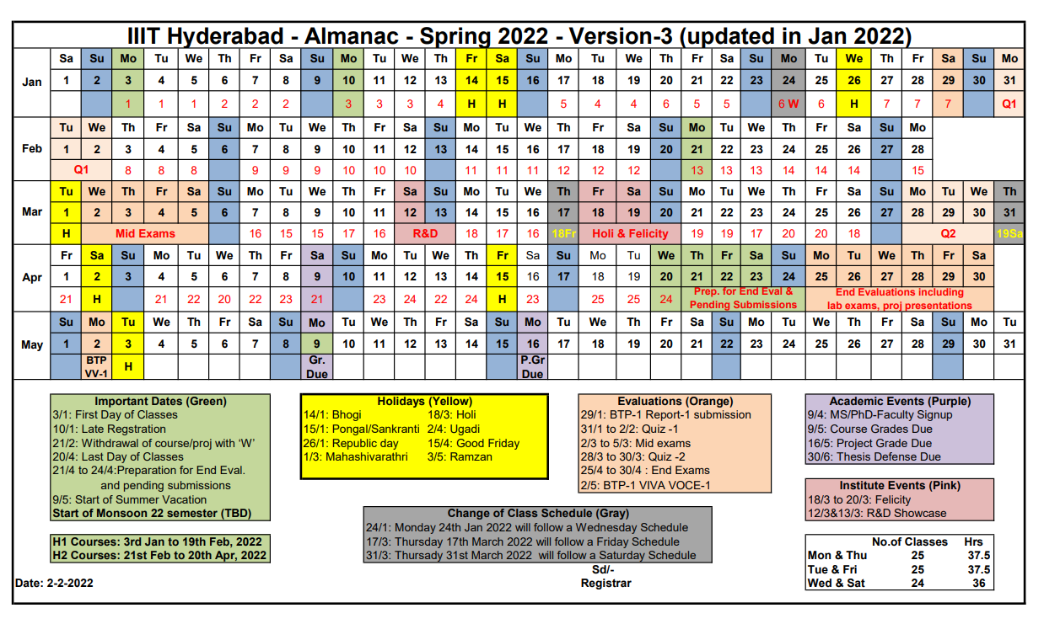
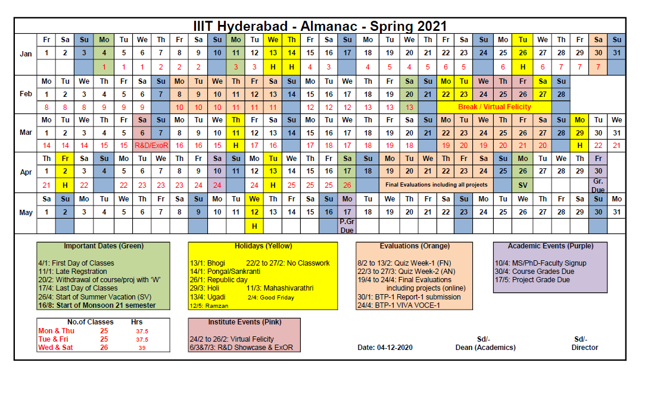
COURSEPLAN- 2022
Sprint | Week of.. | Week Topics | Lectures | Project Activity | Project Documents | Assignment
PREP/ Sprint 0 | 3rd Jan | Introduction | W1-Course-Intro W1-SE-Intro-SDLC | Teams and projects allocated |  | Assignment 1 released
 | 10th Jan |  | Projects Discussion | First meet with client
Sprint 1 | 14th Jan | Scoping | W2b-Requirements-Analysis | Plan/Design Sprint + Dev Sprint | Project Concept v1
 | 21st Jan |  | W2-Process-Models |  | Project Concept v2 | Assignment 1 deadline
Sprint 2 | 28th Jan | Requirements | W3-W4-Requirements-Specifications | Dev + Test Sprint | SRS v1
 | 31st Jan | 2nd Feb/ QUIZ WEEK |  |  |  | Assignment 2 released
 | 4th Feb |  | W5-Requirements-Modelling-UML | Dev + Test Sprint | Project Plan Sprint Backlog v1 | Assignment 2 deadline
Sprint 3 | 11th Feb | High Level Design/ Plan | W6-UseCases (Sequence Diagram) |  | Design Doc v1, SRS v2 (with final use cases), Sprint Backlog v2 | Assignment 3 released
 | 18th Feb |  |  | Test + Release Sprint | Test Plan Tracker v1, Design Doc v2
Sprint 4 | 25th Feb | Scheduling/Testing | W6c-Estimation
 | 4th Mar | 5th Mar/ MIDS WEEK | W6d-Scheduling-and-Tracking W7-Testing | R1 Mar 11-13/ Freeze
Sprint 5 | 11th Mar | Design | W8a-Software-Development-for-Startups W8-W9-Design-Intro | Dev + Test Sprint | Test Plan Tracker v2
 | 18th Mar | 20 mar/ FELICITY | W10-UIdesign |  |  | Term Paper released
 | 28th Mar | 30 mar/ QUIZ WEEK |  |  |  | Assignment 3 deadline
Sprint 6 | 1st April | Patterns | W11-Pattern-Oriented-Design | Dev + Test Sprint |  | Assignment 4 released
 | 8th April
Sprint 7 | 15th April |  |  | Final Release Sprint |  | Assignment 4 deadline
 | 22nd April |  |  |  |  | Term Paper submission
R2 | 25-27 April |  |  | R2 Code Freeze

